email from Impex
Dear Ma’am,
Good afternoon!

For Export team, there is no need for the cancellation of SR.
We have already changed the “Request B/L Date” to January 10.

Thank you!

God loves you,
arlene ymson
local: 3034

From: dangani mylenegrace(ＴＩＰ Solid State Drive Department)
Sent: Thursday, January 10, 2019 1:20 PM
To: ymson arlene(ＴＩＰ Logistics Department)
Cc: TIP-LOD-Export; hilario florentino(ＴＩＰ Logistics Department); TIP-SSD-SPP
Subject: RE: <WRONG REQUEST BL DATE>

Dear Ma’am,

Good afternoon po,

Sorry for the wrong BL date,
But may we inquire if we need to cancel all affected SR, and issued new SR number.

Thanks & Regards,
Mylene

From: ymson arlene(ＴＩＰ Logistics Department)
Sent: Thursday, January 10, 2019 1:14 PM
To: TIP-SSD-SPP
Cc: TIP-LOD-Export; hilario florentino(ＴＩＰ Logistics Department)
Subject: <WRONG REQUEST BL DATE>
Importance: High

Dear SPP Team,
Good day!

Please be informed po that we cannot view the invoice & packing list from G-Logos earlier.
We have coordinated the issue with G-logos support.
But according to them, the request BL Date is wrong.

Please see below screenshot for your reference.

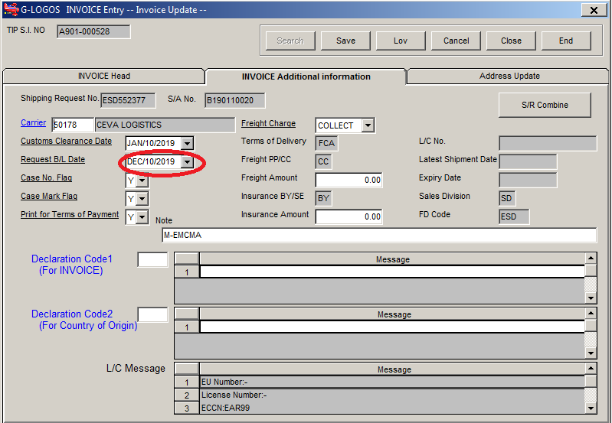

Thank you.
Arlene Constantino-Ymson
NEW DIRECT LINE: (02) 757-5948 loc. 3034

"GOD is GREATER than the burdens you are carrying.
Cast your burden upon the Lord and He will sustain you."
-Psalms 55:22

Detailed Investigation Result
Detailed Investigation Result

 | N/A

Incorrect Input of BL_DATE
 |  | SELECT *
 |  | FROM PCG_SR_HEADERS
 |  | WHERE SR_NUMBER IN ('ESD552372','ESD552373','ESD552374','ESD552375','ESD552376','ESD552377','ESD552378','ESD552379','ESD552388');

 |  | SR_HEADER_ID | ORGANIZATION_ID | SUBSIDIARY_CODE | SUBINVENTORY_CODE | CONNECT_FLAG | CANCEL_FLAG | SR_NUMBER | REQUESTER | AGENT_CODE | AGENT_NAME | DIVISION_CODE | SALES_DIVISION_CODE | TRADE_FLAG | INTERMEDIARY_CODE | COMMERCIAL_FLAG | CONSIGNEE_CODE | COUNTRY_CODE | LOADING_PORT_CODE | DESTINATION_CODE | DISCHARGE_PORT_CODE | SHIPPING_METHOD | BL_DATE | PAYMENT_TERM_CODE | PAYMENT_TERM | PAYMENT_TERM_PERIOD | PAYMENT_TERM_FROM | BANK_NAME | BANK_BRANCH_NAME | INTEREST | LC_NUMBER | LASTEST_SHIPMENT | EXPIRE_DATE | DELIVERY_TERM_CODE | DELIVERY_PLACE | FREIGHT_FLAG | INSURANCE_FLAG | SENDER_WAREHOUSE_CODE | PACKING_WAREHOUSE_CODE | STUFFING_WAREHOUSE_CODE | CURRENCY_CODE | SR_AMOUNT | NUMBER_OF_ITEM | REMARKS | ACCOUNTEE_CODE | ACCOUNTEE_NAME | ACCOUNTEE_ADDRESS1 | ACCOUNTEE_ADDRESS2 | SHIP_TO_SITE_CODE | SHIP_TO_SITE_NAME | SHIP_TO_SITE_ADDRESS1 | SHIP_TO_SITE_ADDRESS2 | CUSTOMER_CODE | CUSTOMER_NAME | CUSTOMER_ADDRESS1 | CUSTOMER_ADDRESS2 | REQUESTED_DATE | SHIPPED_DATE | FOB_DATE | TRANSACTION_ID | CREATED_BY | LAST_UPDATED_BY | CREATION_DATE | LAST_UPDATE_DATE | EDATA_FLAG | CCPH_SEND_FLAG | SI_NUMBER
 |  | 552372 | 125 | TME | ESDPRD | 1 |  | ESD552372 | SSD-Production Control - eSSD | AIR | 40 AIR | A | SD | D | E | C | T0BTDGX000L | JP | PHMNL | DEFRA | DEFRA | 40 | 2019-12-10 | TTB15I | TT | B15 | I |  |  | B |  |  |  | FCA | Manila | CC | BY | ESDPRD | ESDPRD | ESDPRD | USD | 106.9 | 1 | M-U05DDL | T0BTDGX000L | TOSHIBA MEMORY CORPORATION | 1-21, SHIBAURA 3-CHOME, MINATO-KU, | TOKYO 108-0023, JAPAN | T0-J779-M01 | TOSHIBA LOGISTICS EUROPE GMBH | GUTENBERG STR. 19, 64331, WEITERSTADT, GERMANY |  | T0BTDGX000L | TOSHIBA MEMORY CORPORATION | 1-21, SHIBAURA 3-CHOME, MINATO-KU, | TOKYO 108-0023, JAPAN | 2019-01-10 | 1/10/19 |  |  | 4834 | 4861 | 1/10/19 | 1/10/19 | 1
 |  | 552373 | 125 | TME | ESDPRD | 1 |  | ESD552373 | SSD-Production Control - eSSD | AIR | 40 AIR | A | SD | D | E | C | T0BTDGX000L | JP | PHMNL | DEFRA | DEFRA | 40 | 2019-12-10 | TTB15I | TT | B15 | I |  |  | B |  |  |  | FCA | Manila | CC | BY | ESDPRD | ESDPRD | ESDPRD | USD | 108.6 | 1 | M-U05DDL | T0BTDGX000L | TOSHIBA MEMORY CORPORATION | 1-21, SHIBAURA 3-CHOME, MINATO-KU, | TOKYO 108-0023, JAPAN | T0-J779-M01 | TOSHIBA LOGISTICS EUROPE GMBH | GUTENBERG STR. 19, 64331, WEITERSTADT, GERMANY |  | T0BTDGX000L | TOSHIBA MEMORY CORPORATION | 1-21, SHIBAURA 3-CHOME, MINATO-KU, | TOKYO 108-0023, JAPAN | 2019-01-10 | 1/10/19 |  |  | 4834 | 4861 | 1/10/19 | 1/10/19 | 1
 |  | 552374 | 125 | TME | ESDPRD | 1 |  | ESD552374 | SSD-Production Control - eSSD | AIR | 40 AIR | A | SD | D | E | C | T0BTDGX000L | JP | PHMNL | DEFRA | DEFRA | 40 | 2019-12-10 | TTB15I | TT | B15 | I |  |  | B |  |  |  | FCA | Manila | CC | BY | ESDPRD | ESDPRD | ESDPRD | USD | 1026 | 1 | M-U05DDL | T0BTDGX000L | TOSHIBA MEMORY CORPORATION | 1-21, SHIBAURA 3-CHOME, MINATO-KU, | TOKYO 108-0023, JAPAN | T0-J779-M01 | TOSHIBA LOGISTICS EUROPE GMBH | GUTENBERG STR. 19, 64331, WEITERSTADT, GERMANY |  | T0BTDGX000L | TOSHIBA MEMORY CORPORATION | 1-21, SHIBAURA 3-CHOME, MINATO-KU, | TOKYO 108-0023, JAPAN | 2019-01-10 | 1/10/19 |  |  | 4834 | 4861 | 1/10/19 | 1/10/19 | 1
 |  | 552375 | 125 | TMA | ESDPRD | 1 |  | ESD552375 | SSD-Production Control - eSSD | AIR | 40 AIR | A | SD | D | E | C | T0BTDGX000L | JP | PHMNL | MXGDL | MXGDL | 40 | 2019-12-10 | TTB15I | TT | B15 | I |  |  | B |  |  |  | FCA | Manila | CC | BY | ESDPRD | ESDPRD | ESDPRD | USD | 3156 | 1 | M-SPAN | T0BTDGX000L | TOSHIBA MEMORY CORPORATION | 1-21, SHIBAURA 3-CHOME, MINATO-KU, | TOKYO 108-0023, JAPAN | T0-K686-M01 | DSV SOLUTIONS S.A. DE C.V. | PARQUE INDUSTRIAL EL BOSQUE II AV. DEL BOSQUE #119 | 0 B TLAQUEPAQUE, JALISCO 45609 MEXICO | T0BTDGX000L | TOSHIBA MEMORY CORPORATION | 1-21, SHIBAURA 3-CHOME, MINATO-KU, | TOKYO 108-0023, JAPAN | 2019-01-10 | 1/10/19 |  |  | 4834 | 4861 | 1/10/19 | 1/10/19 | 1
 |  | 552376 | 125 | TMA | ESDPRD | 1 |  | ESD552376 | SSD-Production Control - eSSD | AIR | 40 AIR | A | SD | D | E | C | T0BTDGX000L | JP | PHMNL | USATL | USATL | 40 | 2019-12-10 | TTB15I | TT | B15 | I |  |  | B |  |  |  | FCA | Manila | CC | BY | ESDPRD | ESDPRD | ESDPRD | USD | 4293 | 1 | M-EMCNC | T0BTDGX000L | TOSHIBA MEMORY CORPORATION | 1-21, SHIBAURA 3-CHOME, MINATO-KU, | TOKYO 108-0023, JAPAN | T0-U398-M01 | CHAMPAGNE LOGISTICS | 323 PARK KNOLL DRIVE, MORRISVILLE NC 27560 |  | T0BTDGX000L | TOSHIBA MEMORY CORPORATION | 1-21, SHIBAURA 3-CHOME, MINATO-KU, | TOKYO 108-0023, JAPAN | 2019-01-10 | 1/10/19 |  |  | 4834 | 4861 | 1/10/19 | 1/10/19 | 1
 |  | 552377 | 125 | TMA | ESDPRD | 1 |  | ESD552377 | SSD-Production Control - eSSD | AIR | 40 AIR | A | SD | D | E | C | T0BTDGX000L | JP | PHMNL | USBOS | USBOS | 40 | 2019-12-10 | TTB15I | TT | B15 | I |  |  | B |  |  |  | FCA | Manila | CC | BY | ESDPRD | ESDPRD | ESDPRD | USD | 18603 | 1 | M-EMCMA | T0BTDGX000L | TOSHIBA MEMORY CORPORATION | 1-21, SHIBAURA 3-CHOME, MINATO-KU, | TOKYO 108-0023, JAPAN | T0-U399-M01 | CHAMPAGNE LOGISTICS | 200 FINANCIAL PARK 431 Washington Street, Franklin | MA. 02038 | T0BTDGX000L | TOSHIBA MEMORY CORPORATION | 1-21, SHIBAURA 3-CHOME, MINATO-KU, | TOKYO 108-0023, JAPAN | 2019-01-10 | 1/10/19 |  |  | 4834 | 4861 | 1/10/19 | 1/10/19 | 1
 |  | 552378 | 125 | TME | ESDPRD | 1 |  | ESD552378 | SSD-Production Control - eSSD | AIR | 40 AIR | A | SD | D | E | C | T0BTDGX000L | JP | PHMNL | HUBUD | DEMUC | 40 | 2019-12-10 | TTB15I | TT | B15 | I |  |  | B |  |  |  | FCA | Manila | CC | BY | ESDPRD | ESDPRD | ESDPRD | USD | 1584 | 1 | M-FLEX-HUN | T0BTDGX000L | TOSHIBA MEMORY CORPORATION | 1-21, SHIBAURA 3-CHOME, MINATO-KU, | TOKYO 108-0023, JAPAN | T0-V092-M01 | FLEXTRONICS INTERNATIONAL K.F.T. VMI HUB | IKERVARI U. 25.9600 SARVAR HUNGARY |  | T0BTDGX000L | TOSHIBA MEMORY CORPORATION | 1-21, SHIBAURA 3-CHOME, MINATO-KU, | TOKYO 108-0023, JAPAN | 2019-01-10 | 1/10/19 |  |  | 4834 | 4861 | 1/10/19 | 1/10/19 | 1
 |  | 552379 | 125 | TME | ESDPRD | 1 |  | ESD552379 | SSD-Production Control - eSSD | AIR | 40 AIR | A | SD | D | E | C | T0BTDGX000L | JP | PHMNL | IEDUB | IEDUB | 40 | 2019-12-10 | TTB15I | TT | B15 | I |  |  | B |  |  |  | FCA | Manila | CC | BY | ESDPRD | ESDPRD | ESDPRD | USD | 25758 | 1 | M-SCH-ILC | T0BTDGX000L | TOSHIBA MEMORY CORPORATION | 1-21, SHIBAURA 3-CHOME, MINATO-KU, | TOKYO 108-0023, JAPAN | T0-W028-M01 | SCHENKER IRELAND LIMITED | HARBOUR POINT BUSINESS PARK, LITTLE ISLAND, CORK T | 45 PX57 REPUBLIC OF IRELAND | T0BTDGX000L | TOSHIBA MEMORY CORPORATION | 1-21, SHIBAURA 3-CHOME, MINATO-KU, | TOKYO 108-0023, JAPAN | 2019-01-10 | 1/10/19 |  |  | 4834 | 4861 | 1/10/19 | 1/10/19 | 1
 |  | 552388 | 125 | TME | ESDPRD | 1 |  | ESD552388 | SSD-Production Control - eSSD | AIR | 40 AIR | A | SD | D | E | C | T0BTDGX000L | JP | PHMNL | DEFRA | DEFRA | 40 | 2019-12-10 | TTB15I | TT | B15 | I |  |  | B |  |  |  | FCA | Manila | CC | BY | ESDPRD | ESDPRD | ESDPRD | USD | 214.2 | 1 | M-U05DDL | T0BTDGX000L | TOSHIBA MEMORY CORPORATION | 1-21, SHIBAURA 3-CHOME, MINATO-KU, | TOKYO 108-0023, JAPAN | T0-J779-M01 | TOSHIBA LOGISTICS EUROPE GMBH | GUTENBERG STR. 19, 64331, WEITERSTADT, GERMANY |  | T0BTDGX000L | TOSHIBA MEMORY CORPORATION | 1-21, SHIBAURA 3-CHOME, MINATO-KU, | TOKYO 108-0023, JAPAN | 2019-01-10 | 1/10/19 |  |  | 4834 | 4861 | 1/10/19 | 1/10/19 | 1

Actual Operation Evidence
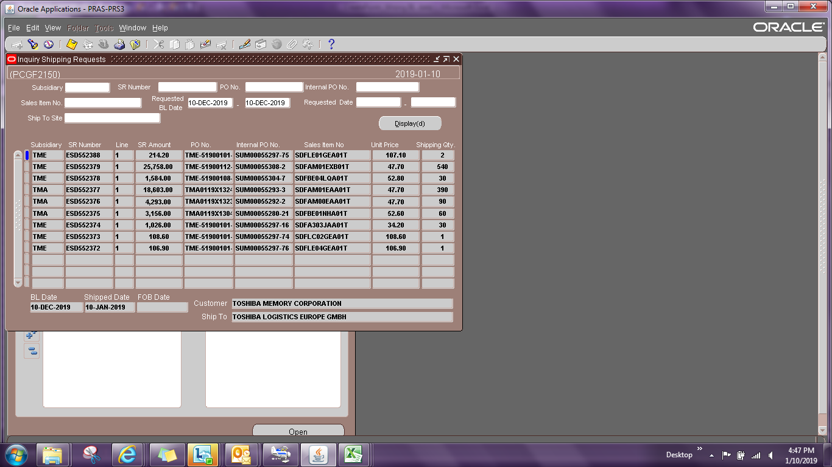
Actual Operation Evidence

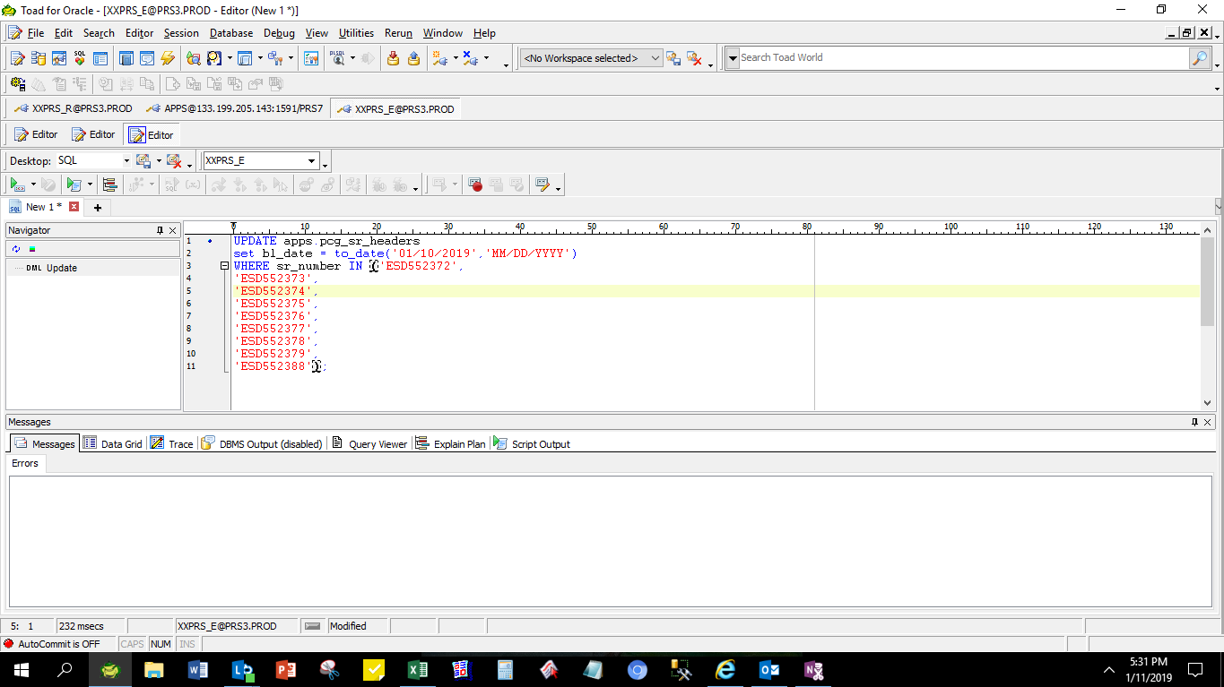



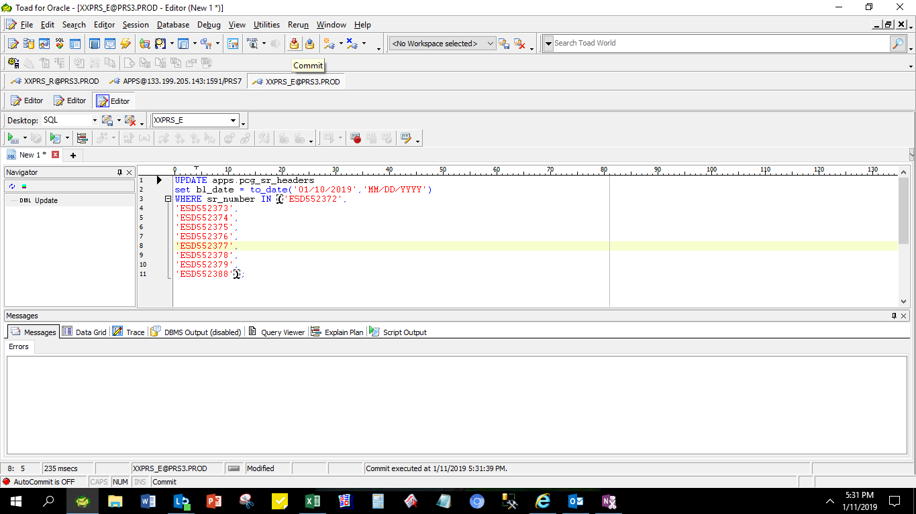

BL_DATE was already adjusted

 | SR_HEADER_ID | ORGANIZATION_ID | SUBSIDIARY_CODE | SUBINVENTORY_CODE | CONNECT_FLAG | CANCEL_FLAG | SR_NUMBER | REQUESTER | AGENT_CODE | AGENT_NAME | DIVISION_CODE | SALES_DIVISION_CODE | TRADE_FLAG | INTERMEDIARY_CODE | COMMERCIAL_FLAG | CONSIGNEE_CODE | COUNTRY_CODE | LOADING_PORT_CODE | DESTINATION_CODE | DISCHARGE_PORT_CODE | SHIPPING_METHOD | BL_DATE | PAYMENT_TERM_CODE | PAYMENT_TERM | PAYMENT_TERM_PERIOD | PAYMENT_TERM_FROM | BANK_NAME | BANK_BRANCH_NAME | INTEREST | LC_NUMBER | LASTEST_SHIPMENT | EXPIRE_DATE | DELIVERY_TERM_CODE | DELIVERY_PLACE | FREIGHT_FLAG | INSURANCE_FLAG | SENDER_WAREHOUSE_CODE | PACKING_WAREHOUSE_CODE | STUFFING_WAREHOUSE_CODE | CURRENCY_CODE | SR_AMOUNT | NUMBER_OF_ITEM | REMARKS | ACCOUNTEE_CODE | ACCOUNTEE_NAME | ACCOUNTEE_ADDRESS1 | ACCOUNTEE_ADDRESS2 | SHIP_TO_SITE_CODE | SHIP_TO_SITE_NAME | SHIP_TO_SITE_ADDRESS1 | SHIP_TO_SITE_ADDRESS2 | CUSTOMER_CODE | CUSTOMER_NAME | CUSTOMER_ADDRESS1 | CUSTOMER_ADDRESS2 | REQUESTED_DATE | SHIPPED_DATE | FOB_DATE | TRANSACTION_ID | CREATED_BY | LAST_UPDATED_BY | CREATION_DATE | LAST_UPDATE_DATE | EDATA_FLAG | CCPH_SEND_FLAG | SI_NUMBER
 | 552372 | 125 | TME | ESDPRD | 1 |  | ESD552372 | SSD-Production Control - eSSD | AIR | 40 AIR | A | SD | D | E | C | T0BTDGX000L | JP | PHMNL | DEFRA | DEFRA | 40 | 2019-01-10 | TTB15I | TT | B15 | I |  |  | B |  |  |  | FCA | Manila | CC | BY | ESDPRD | ESDPRD | ESDPRD | USD | 106.9 | 1 | M-U05DDL | T0BTDGX000L | TOSHIBA MEMORY CORPORATION | 1-21, SHIBAURA 3-CHOME, MINATO-KU, | TOKYO 108-0023, JAPAN | T0-J779-M01 | TOSHIBA LOGISTICS EUROPE GMBH | GUTENBERG STR. 19, 64331, WEITERSTADT, GERMANY |  | T0BTDGX000L | TOSHIBA MEMORY CORPORATION | 1-21, SHIBAURA 3-CHOME, MINATO-KU, | TOKYO 108-0023, JAPAN | 2019-01-10 | 1/10/19 |  |  | 4834 | 4861 | 1/10/19 | 1/10/19 | 1
 | 552373 | 125 | TME | ESDPRD | 1 |  | ESD552373 | SSD-Production Control - eSSD | AIR | 40 AIR | A | SD | D | E | C | T0BTDGX000L | JP | PHMNL | DEFRA | DEFRA | 40 | 2019-01-10 | TTB15I | TT | B15 | I |  |  | B |  |  |  | FCA | Manila | CC | BY | ESDPRD | ESDPRD | ESDPRD | USD | 108.6 | 1 | M-U05DDL | T0BTDGX000L | TOSHIBA MEMORY CORPORATION | 1-21, SHIBAURA 3-CHOME, MINATO-KU, | TOKYO 108-0023, JAPAN | T0-J779-M01 | TOSHIBA LOGISTICS EUROPE GMBH | GUTENBERG STR. 19, 64331, WEITERSTADT, GERMANY |  | T0BTDGX000L | TOSHIBA MEMORY CORPORATION | 1-21, SHIBAURA 3-CHOME, MINATO-KU, | TOKYO 108-0023, JAPAN | 2019-01-10 | 1/10/19 |  |  | 4834 | 4861 | 1/10/19 | 1/10/19 | 1
 | 552374 | 125 | TME | ESDPRD | 1 |  | ESD552374 | SSD-Production Control - eSSD | AIR | 40 AIR | A | SD | D | E | C | T0BTDGX000L | JP | PHMNL | DEFRA | DEFRA | 40 | 2019-01-10 | TTB15I | TT | B15 | I |  |  | B |  |  |  | FCA | Manila | CC | BY | ESDPRD | ESDPRD | ESDPRD | USD | 1026 | 1 | M-U05DDL | T0BTDGX000L | TOSHIBA MEMORY CORPORATION | 1-21, SHIBAURA 3-CHOME, MINATO-KU, | TOKYO 108-0023, JAPAN | T0-J779-M01 | TOSHIBA LOGISTICS EUROPE GMBH | GUTENBERG STR. 19, 64331, WEITERSTADT, GERMANY |  | T0BTDGX000L | TOSHIBA MEMORY CORPORATION | 1-21, SHIBAURA 3-CHOME, MINATO-KU, | TOKYO 108-0023, JAPAN | 2019-01-10 | 1/10/19 |  |  | 4834 | 4861 | 1/10/19 | 1/10/19 | 1
 | 552375 | 125 | TMA | ESDPRD | 1 |  | ESD552375 | SSD-Production Control - eSSD | AIR | 40 AIR | A | SD | D | E | C | T0BTDGX000L | JP | PHMNL | MXGDL | MXGDL | 40 | 2019-01-10 | TTB15I | TT | B15 | I |  |  | B |  |  |  | FCA | Manila | CC | BY | ESDPRD | ESDPRD | ESDPRD | USD | 3156 | 1 | M-SPAN | T0BTDGX000L | TOSHIBA MEMORY CORPORATION | 1-21, SHIBAURA 3-CHOME, MINATO-KU, | TOKYO 108-0023, JAPAN | T0-K686-M01 | DSV SOLUTIONS S.A. DE C.V. | PARQUE INDUSTRIAL EL BOSQUE II AV. DEL BOSQUE #119 | 0 B TLAQUEPAQUE, JALISCO 45609 MEXICO | T0BTDGX000L | TOSHIBA MEMORY CORPORATION | 1-21, SHIBAURA 3-CHOME, MINATO-KU, | TOKYO 108-0023, JAPAN | 2019-01-10 | 1/10/19 |  |  | 4834 | 4861 | 1/10/19 | 1/10/19 | 1
 | 552376 | 125 | TMA | ESDPRD | 1 |  | ESD552376 | SSD-Production Control - eSSD | AIR | 40 AIR | A | SD | D | E | C | T0BTDGX000L | JP | PHMNL | USATL | USATL | 40 | 2019-01-10 | TTB15I | TT | B15 | I |  |  | B |  |  |  | FCA | Manila | CC | BY | ESDPRD | ESDPRD | ESDPRD | USD | 4293 | 1 | M-EMCNC | T0BTDGX000L | TOSHIBA MEMORY CORPORATION | 1-21, SHIBAURA 3-CHOME, MINATO-KU, | TOKYO 108-0023, JAPAN | T0-U398-M01 | CHAMPAGNE LOGISTICS | 323 PARK KNOLL DRIVE, MORRISVILLE NC 27560 |  | T0BTDGX000L | TOSHIBA MEMORY CORPORATION | 1-21, SHIBAURA 3-CHOME, MINATO-KU, | TOKYO 108-0023, JAPAN | 2019-01-10 | 1/10/19 |  |  | 4834 | 4861 | 1/10/19 | 1/10/19 | 1
 | 552377 | 125 | TMA | ESDPRD | 1 |  | ESD552377 | SSD-Production Control - eSSD | AIR | 40 AIR | A | SD | D | E | C | T0BTDGX000L | JP | PHMNL | USBOS | USBOS | 40 | 2019-01-10 | TTB15I | TT | B15 | I |  |  | B |  |  |  | FCA | Manila | CC | BY | ESDPRD | ESDPRD | ESDPRD | USD | 18603 | 1 | M-EMCMA | T0BTDGX000L | TOSHIBA MEMORY CORPORATION | 1-21, SHIBAURA 3-CHOME, MINATO-KU, | TOKYO 108-0023, JAPAN | T0-U399-M01 | CHAMPAGNE LOGISTICS | 200 FINANCIAL PARK 431 Washington Street, Franklin | MA. 02038 | T0BTDGX000L | TOSHIBA MEMORY CORPORATION | 1-21, SHIBAURA 3-CHOME, MINATO-KU, | TOKYO 108-0023, JAPAN | 2019-01-10 | 1/10/19 |  |  | 4834 | 4861 | 1/10/19 | 1/10/19 | 1
 | 552378 | 125 | TME | ESDPRD | 1 |  | ESD552378 | SSD-Production Control - eSSD | AIR | 40 AIR | A | SD | D | E | C | T0BTDGX000L | JP | PHMNL | HUBUD | DEMUC | 40 | 2019-01-10 | TTB15I | TT | B15 | I |  |  | B |  |  |  | FCA | Manila | CC | BY | ESDPRD | ESDPRD | ESDPRD | USD | 1584 | 1 | M-FLEX-HUN | T0BTDGX000L | TOSHIBA MEMORY CORPORATION | 1-21, SHIBAURA 3-CHOME, MINATO-KU, | TOKYO 108-0023, JAPAN | T0-V092-M01 | FLEXTRONICS INTERNATIONAL K.F.T. VMI HUB | IKERVARI U. 25.9600 SARVAR HUNGARY |  | T0BTDGX000L | TOSHIBA MEMORY CORPORATION | 1-21, SHIBAURA 3-CHOME, MINATO-KU, | TOKYO 108-0023, JAPAN | 2019-01-10 | 1/10/19 |  |  | 4834 | 4861 | 1/10/19 | 1/10/19 | 1
 | 552379 | 125 | TME | ESDPRD | 1 |  | ESD552379 | SSD-Production Control - eSSD | AIR | 40 AIR | A | SD | D | E | C | T0BTDGX000L | JP | PHMNL | IEDUB | IEDUB | 40 | 2019-01-10 | TTB15I | TT | B15 | I |  |  | B |  |  |  | FCA | Manila | CC | BY | ESDPRD | ESDPRD | ESDPRD | USD | 25758 | 1 | M-SCH-ILC | T0BTDGX000L | TOSHIBA MEMORY CORPORATION | 1-21, SHIBAURA 3-CHOME, MINATO-KU, | TOKYO 108-0023, JAPAN | T0-W028-M01 | SCHENKER IRELAND LIMITED | HARBOUR POINT BUSINESS PARK, LITTLE ISLAND, CORK T | 45 PX57 REPUBLIC OF IRELAND | T0BTDGX000L | TOSHIBA MEMORY CORPORATION | 1-21, SHIBAURA 3-CHOME, MINATO-KU, | TOKYO 108-0023, JAPAN | 2019-01-10 | 1/10/19 |  |  | 4834 | 4861 | 1/10/19 | 1/10/19 | 1
 | 552388 | 125 | TME | ESDPRD | 1 |  | ESD552388 | SSD-Production Control - eSSD | AIR | 40 AIR | A | SD | D | E | C | T0BTDGX000L | JP | PHMNL | DEFRA | DEFRA | 40 | 2019-01-10 | TTB15I | TT | B15 | I |  |  | B |  |  |  | FCA | Manila | CC | BY | ESDPRD | ESDPRD | ESDPRD | USD | 214.2 | 1 | M-U05DDL | T0BTDGX000L | TOSHIBA MEMORY CORPORATION | 1-21, SHIBAURA 3-CHOME, MINATO-KU, | TOKYO 108-0023, JAPAN | T0-J779-M01 | TOSHIBA LOGISTICS EUROPE GMBH | GUTENBERG STR. 19, 64331, WEITERSTADT, GERMANY |  | T0BTDGX000L | TOSHIBA MEMORY CORPORATION | 1-21, SHIBAURA 3-CHOME, MINATO-KU, | TOKYO 108-0023, JAPAN | 2019-01-10 | 1/10/19 |  |  | 4834 | 4861 | 1/10/19 | 1/10/19 | 1

 | Already viewed in SR Inquiry in Oracle

Helpdesk Request
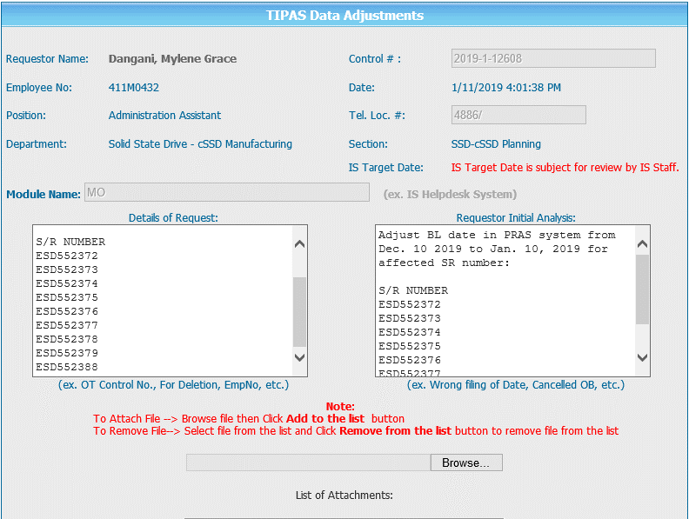
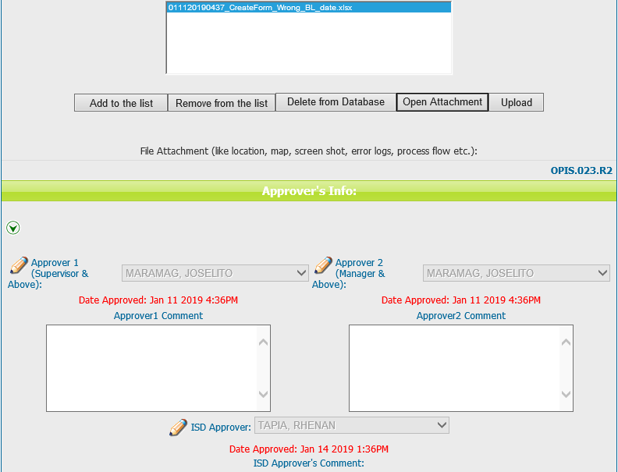
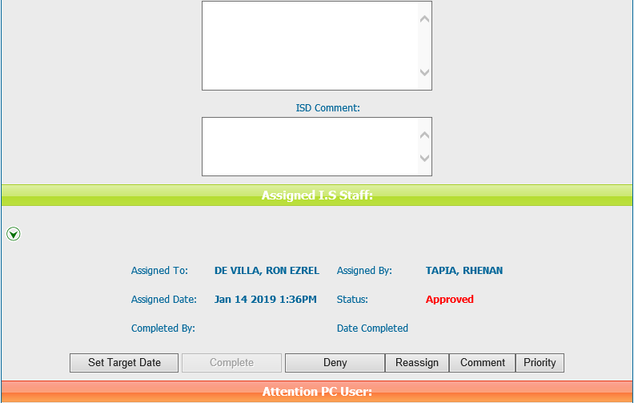
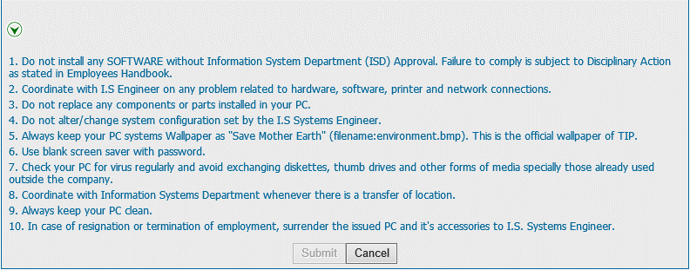
Helpdesk Request

 | ATTACH SCREENSHOT OF HELPDESK REQUEST.

